Sheet1
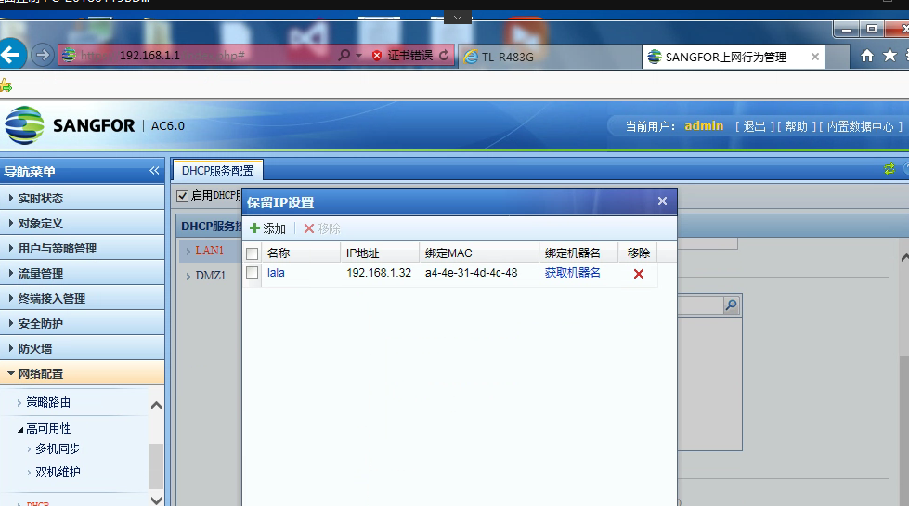

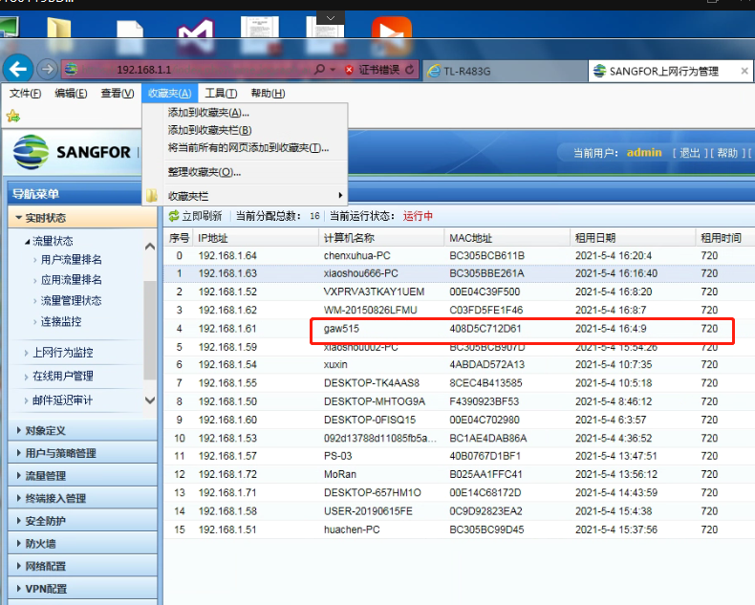

192.168.1.48

3c-7c-3f-16-c9-6e

